Data
Passenger LDVs

Data from Insurance Europe: |  |  |  | In the United States, Data from AAA:
Passenger LDV | 205 | Euro/yr (2016 Euro) |  | Passenger LDV | 1194 | $/yr (2019 USD)

Data in 2019 USD
Passenger LDV | $241.63 | $/yr (2019 USD) |  | Scaling Factor |  | Euoropean spending on insurance compared to the US

Freight LDVs

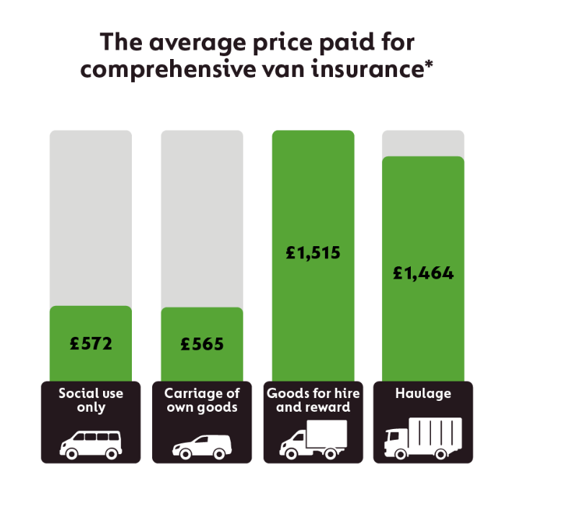
Using data from Go.Compare (2022):
https://www.gocompare.com/van-insurance/commercial/
 | Euro (2022) | USD
Social use only | 572 | 602.8 | $/yr (2022 USD)
Carriage of own goods | 565 | 595.4 | $/yr (2022 USD) | Using data from Car and Driver magazine (2021):
Goods for hire and reward | 1515 | 1596.5 | $/yr (2022 USD) | Cargo or delivery van insurance cost in the US | 4750
Haulage | 1464 | 1542.8 | $/yr (2022 USD)

For freight LDVs, the value for "Goods for hire and reward" is most appropriate.

Freight HDVs
 |  |  |  | Using data from Progressive Commercial
Haulage | 1542.8 | $/yr (2022 USD) |  | Annualized average for truck insurance in the US | 9732 | $/yr

Likely includes primary liability insurance, physical damage insurance, occupational accident coverage, and general liability insurance.
Comprehensive commercial van insurance covers all the things third party fire and theft insurance (TPFT) does and also includes repair or replacement of your vehicle after an accident

Insurance Cost Scaling Factors: US to EU
Passenger LDV | 0.202
Freight LDVs | 0.336
Freight HDVs | 0.159
Average | 0.232

Passenger HDVs (buses)
 |  |  |  |  | EU
50-state average (US) | 9420 | $/yr |  |  | 2188.5815716

Passenger Motorbikes

Timmons (2021):
 |  |  |  |  | EU
50-state average (US) | 721 | $/yr (2021 USD) |  |  | 167.51245362

